How to get Marlin
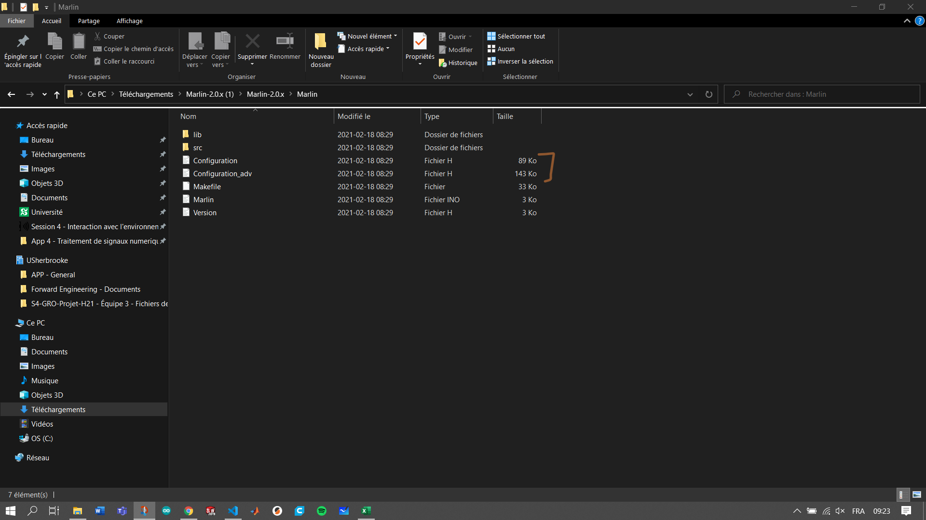
If you use the same hardware (stepper motor, stepper driver, belt, control board, etc.), follow the instructions highlight in orange
If you use the same control board, but different stepper motor and/or stepper driver and/or belt, etc., follow the instruction highlight in grey
If you don't use the same control board, but the same stepper motor, stepper, driver, etc., follow instruction highlight in pink
If you dont use the same hardware (stepper motor, stepper driver, belt, control board, etc.), you probably know how to configure Marlin :)

SAME HARDWARE | SAME CONTROL BOARD
1. From Marlin website (https://marlinfw.org/meta/download/), download the lasted Marlin realease | 1. Follow instruction #1 to #5 from the same hardware instructions
 | 2. Go to the « Step per mm calculator » tab from this excel sheet
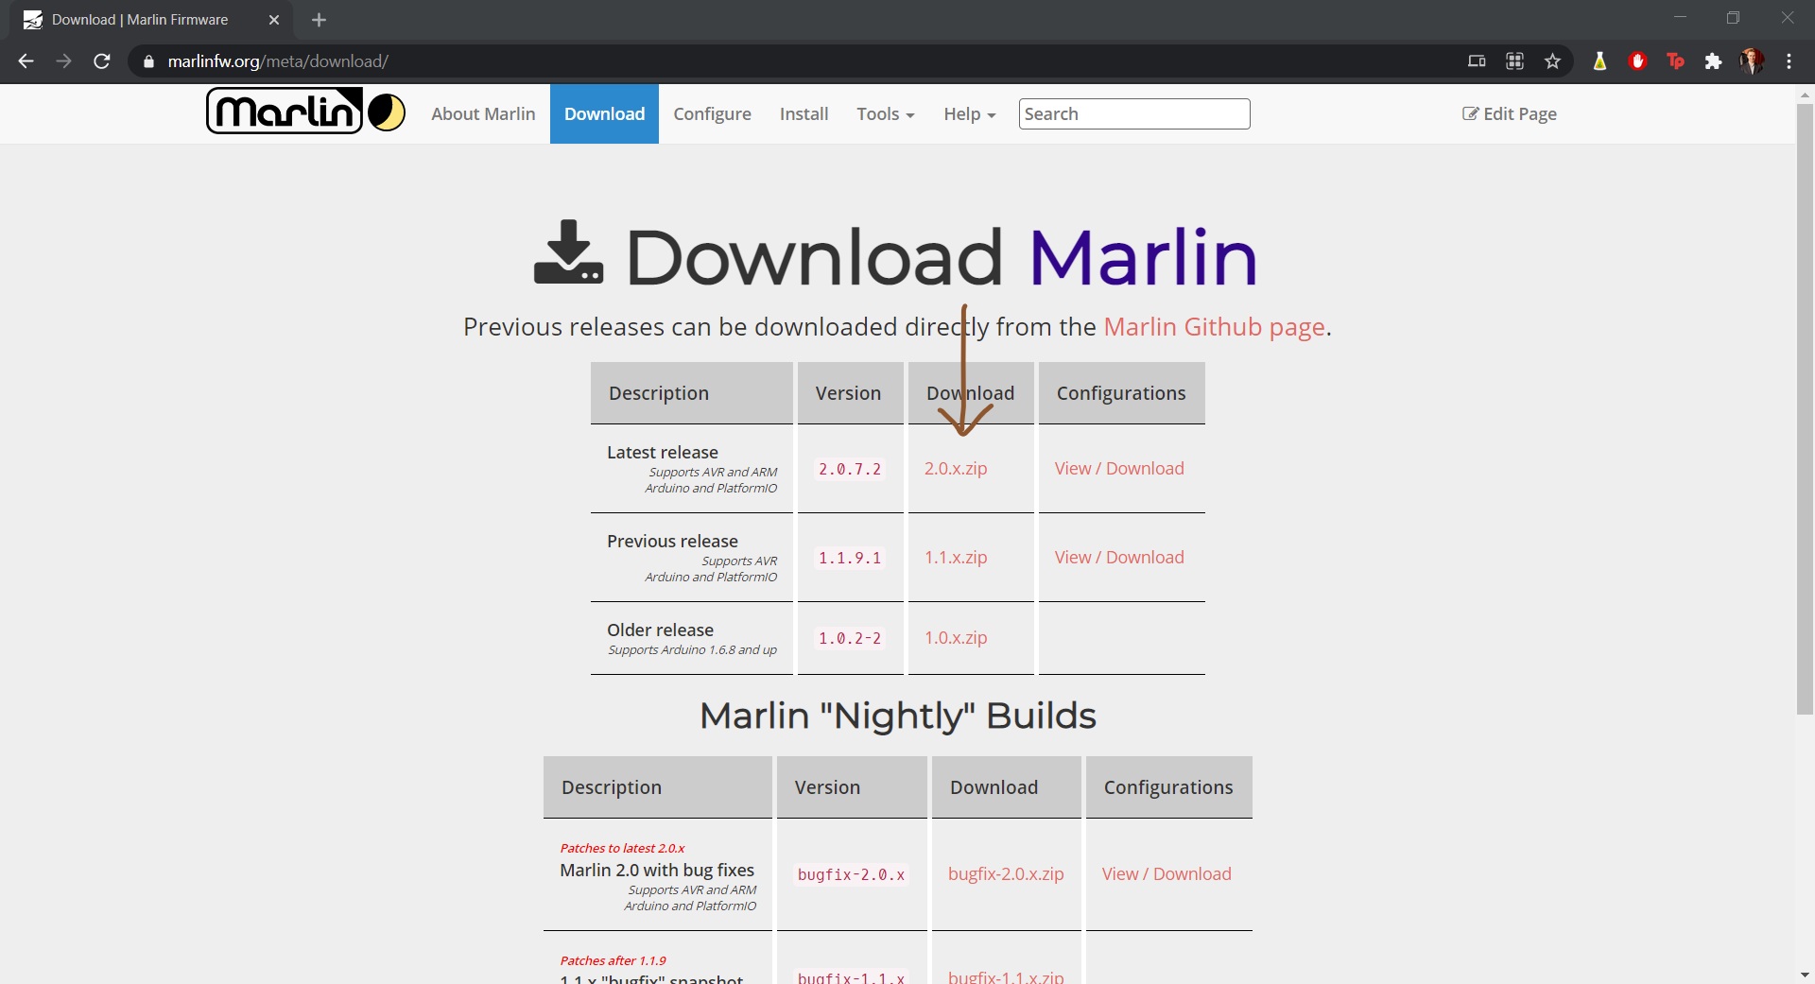
 | 3. Open « configuration.h » in your Marlin folder
 | 4. Seach (ctrl-F) « DEFAULT_AXIS_STEPS_PER_UNIT »
 | 5. Replace « step X », « step Y » and « step Z » from the picture below with your calulate value (green value)

 | DIFFERENT CONTROL BOARD
 | 1. Follow instruction #1 to #5 from the same hardware instructions
 | 2. From the « Marlin » folder (see step #4 from same hardware instructions), go to src/core

 | 3. From the « core » folder, open « boards.h » file.
 | 4. Seach your control board
2. From the github project page (LIEN), download the « configuration.h» and « configuration_adv.h » from the « Marlin » branch | 5. Copy your control board name. For example, if you have a ramps 1.4, copy « BOARD_RAMPS_14_EFB »

 | 6. Open « configuration.h » in your Marlin folder
 | 7. Seach (ctrl-F) « MOTHERBOARD »
 | 8. Replace « your control board » from the picture below with your board (copied at #5)

3. From your computer download folder, copy the files downloaded at #2

4. From your Marlin folder downloaded at #1 (name « Marlin- 2.0 for example), go to « Marlin »

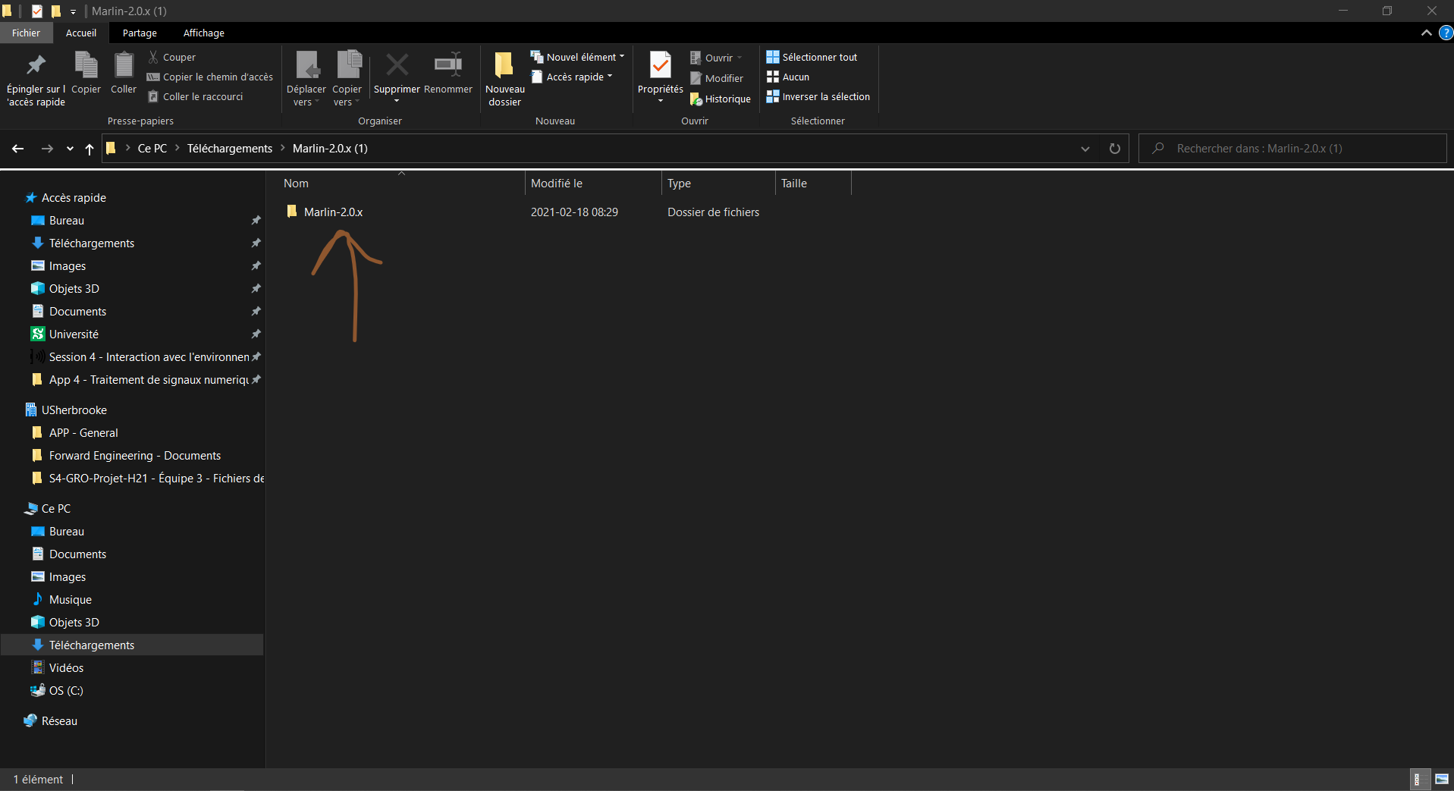

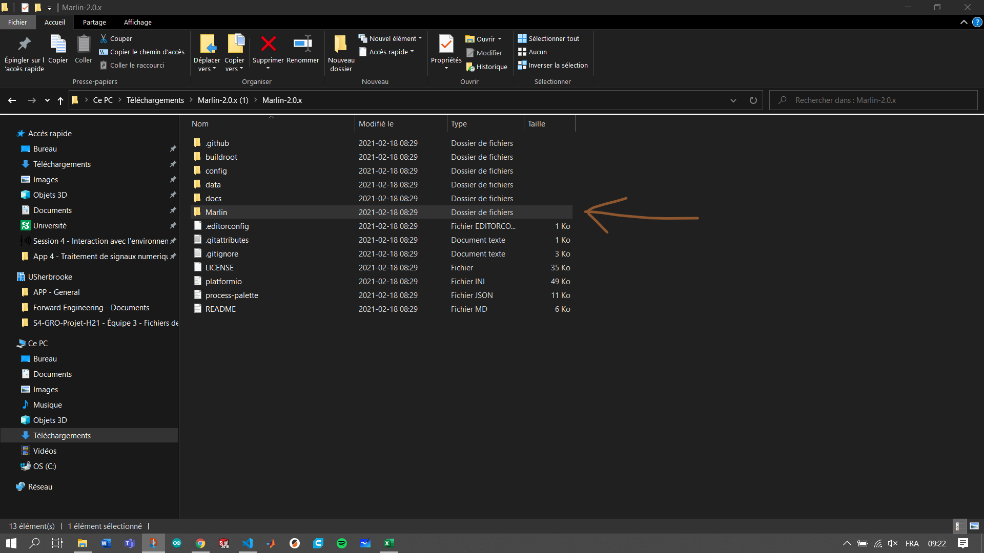

5. Paste the files your copy at #3 to replace the « configuration.h» and « configuration_adv.h » files already in the folder

